Material topics
Each year we conduct a materiality assessment to ensure we are responding to the environmental, social and governance (ESG) issues, risks and opportunities of greatest significance to our stakeholders, society and the long-term sustainability of our business. We undertake our assessment in accordance with the Global Reporting Initiative Standards (GRI Standards). Each year we consider materiality in the context of emerging global trends, key stakeholder interests, sustainability best-practice, and our overall corporate context. Our findings inform our sustainability approach and programs, internal risk assessments, stakeholder engagement and reporting. This year we amended our approach to accessing materiality based on latest impact materiality guidance provided by the GRI Standards. Impact materiality is focused on assessing outward impacts that Telstra creates, or has the potential to create, on people, society and the environment. We also considered the double materiality approach as proposed by the European Union (EU) Corporate Sustainability Reporting Directive (CSRD). This approach recommends approaching materiality from both an impact materiality perspective, as well as a financial materiality perspective. This means also looking at inward impacts that generate or may generate risks or opportunities that does or could influence Telstra’s enterprise value. We believe that the financial lens is complementary to impact materiality and useful to users of this report.

This findings of our materiality assessment has been provided below as a heat map to represent the materiality of the topics. These findings have informed the content of our Bigger Picture 2022 Sustainability Report and its accompanying documents and website content.

Detailed information on these topics, as well as how we are managing them, can be found throughout our Bigger Picture 2022 Sustainability Report, available at our report website at www.telstra.com/sustainability/report

Where applicable, more information may also be found within our 2022 Annual Report available at our report website at www.telstra.com/sustainability/report/data

For definitions of our material topics, please see our Report Glossary, available in the data and downloads section of our reporting website at www.telstra.com/sustainability/report

For more information on how we have measured Telstra’s impact in relation to each of these topics in FY22, please see our report website at www.telstra.com/sustainability/report/valuechain

Materiality heat map
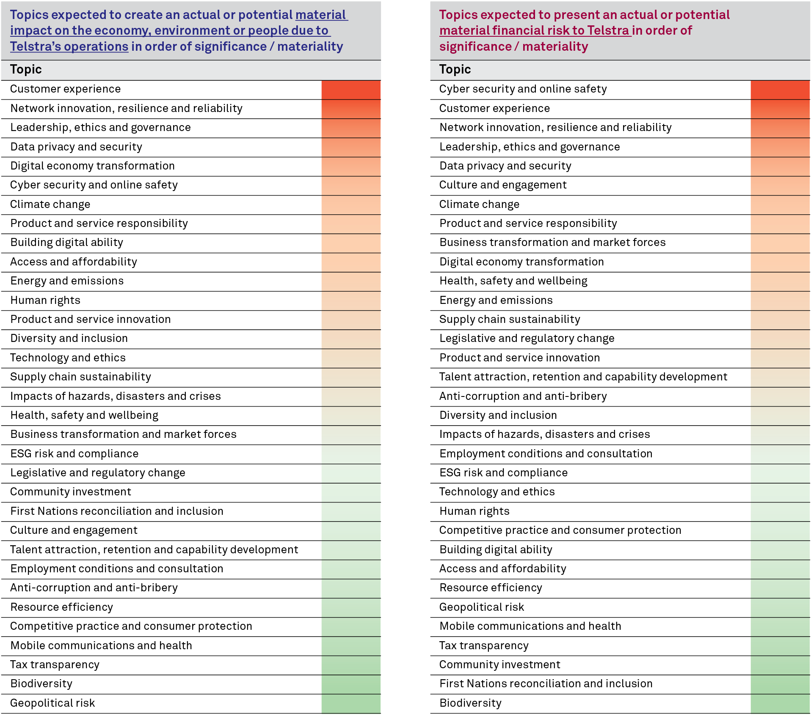

Treatment of material topics within the FY22 Sustainability Report

Strategic pillars (report chapters) | Strategic focus areas | Material topics covered | Related headline metrics
Trusted Operations | Approach | - Anti-corruption and anti-bribery - Business transformation and market forces - Competitive practice and consumer protection - Human rights - Leadership, ethics and governance - Tax transparency | NA
 | Product and service responsibility Ensuring our products and services are designed and delivered fairly, and meet our customers' underlying needs | - Customer experience - Cyber security and online safety - Data privacy and security - First Nations reconciliation and inclusion - Mobile communications and health - Product and service responsibility - Technology and ethics | Reduce our Telecommunications Industry Ombudsman (TIO) referral complaints by one-third in FY23 and 50% by FY25 4-7 point uplift in RepTrak reputation score by FY25
 | Our suppliers Sourcing responsibly, treating our suppliers fairly and managing key supply chain risks | - Business transformation and market forces - Geopolitical risk - Health, safety and wellbeing - Human rights - Supply chain sustainability | Apply a risk-based approach to identify suppliers and undertake site sustainability audits in our supply chain Onboard suppliers to Telstra’s new Know Your Supplier (KYS) platform
 | Our people Creating a world-class workplace where our people can thrive | - Culture and engagement - Diversity and inclusion - Employment conditions and consultation - Health, safety and wellbeing - Talent attraction, retention and capability development | Achieve an engagement score that is in line with the global high performing norm by 2022 (84%) Achieve at least 98% annual completion of Business Essentials refresher conduct training course Achieve female representation of 34% for Telstra Total, 36% for Executive Management and 33% for all people management roles (excluding Executive Management).
Digital inclusion | Approach | - Building digital ability​ - Digital economy transformation
 | Our customers Keeping our customers connected when they need it most | - Access and affordability - Competitive practice and consumer protection - Customer experience - Product and service responsibility | Help keep one million customers in vulnerable circumstances connected each year from FY22 - FY25 Increase digitally active customers by two million, by FY25, including building digital skills for 500,000 Australians, by FY25
 | Our communities Ensuring everyone can enjoy the benefits of being connected | - Building digital ability - Community investment - Digital economy transformation - First Nations reconciliation and inclusion - Network innovation, resilience and reliability - Impacts of hazards, disasters and crises | Enhance digital access in regional communities by delivering >200 Mobile Blackspot Program sites from FY21 to FY22 Expand regional coverage by 100,000 km2 by FY25
 | Tech4good Using technology to drive social and environmental innovation | - Building digital ability - Biodiversity - Community investment - Digital economy transformation - First Nations reconciliation and inclusion - Product and service responsibility | Commit at least $15.9 million over three years (FY21-FY23) to the Telstra Foundation
Environmental action | Approach | - ESG risk and compliance - Product and service innovation - Resource efficiency
 | Climate change and energy Mitigating climate change impacts and helping our customers and communities to do the same | - Climate change - Energy and emissions - ESG risk and compliance - Network innovation, resilience and reliability - Product and service innovation | Carbon neutral in our operations from 2020 Enable renewable energy generation equivalent to 100% of our consumption in by 2025 Reduce our absolute emissions by at least 50% by 2030
 | Resource efficiency Using resources efficiently and minimising environmental impacts across our value chain | - ESG risk and compliance - Product and service innovation - Resource efficiency | Reuse or recycle 500,000 mobile phones, modems and other devices each year to 2025 Ensure 100% of Telstra branded packaging is made of renewable or recycled material and is fully recyclable by 2022 Increase our network waste recycling rate to 85% by 2025

Telstra Annual Report | Material topics covered within 2022 Annual Report only | - Group restructure | NA

Bigger Picture 2022 Sustainability Report

